detector
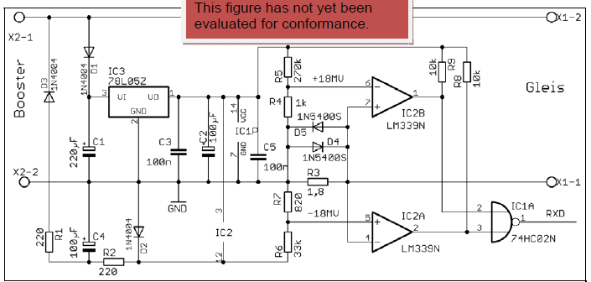

 |  |  |  |  |  |  |  | if there is no current then in principle neither comparator is active
 |  |  |  |  |  |  |  | so both inputs to the NAND are high, and this generates a 0 at RXD

 |  |  |  |  |  |  |  | huh?

 |  |  |  |  |  |  |  | A | B | AND | NAND
 |  |  |  |  |  |  |  | 0 | 0 | 0 | 1
 |  |  |  |  |  |  |  | 0 | 1 | 0 | 1
 |  |  |  |  |  |  |  | 1 | 0 | 0 | 1
 |  |  |  |  |  |  |  | 1 | 1 | 1 | 0

 |  |  |  |  |  |  |  | so a low only if both inputs are high, i.e. comparators are non conducing

 |  |  |  |  |  |  |  | Comparator A
there are two Vref points set by a resitor chain |  |  |  |  |  |  |  | If no track current, the delta on its inputs is -16mV on the + pin
 |  |  |  |  |  | 16.403123155 |  | i.e. comparator is low
vref minus | 0.88576865035 | 4.4288432518 | -29.853684141 | mV apart | 270 | 4,428.84 | mV
vref plus | 0.89173938718 | 4.4586969359 |  |  | 1 | 16.40 | mV | Comparator B
 |  |  |  |  | 0.82 | 13.45 | mV | if no track current, delta is 13mV reverse
a current > 10mA is a zero |  |  |  |  | 33 | 541.30 | mV | i.e. comparator is low
a current <6mA is a 1
but it does not define what the in-between value is, and the detector can only output 0/1 so its kinda pointless setting |  |  |  |  |  |  |  | no track current results in NAND going hi
two threshold levels when one will suffice. This is how my detector works.

 |  |  |  |  |  |  |  | Comparator A
The design above goes so far as detecting states inbetween the two thresholds, but then recombines then |  |  |  |  |  |  |  | if there is current through R3, at 10mA it will generate 18mV
using the NAND to generate a logic 1. You can just cut to the chase as I did and OR the outputs of the LM339 |  |  |  |  |  |  |  | and net off the R4 drop and trigger at about 5mV on the +ve input relative to output
 |  |  |  |  |  |  |  | so the comparator will go high.

 |  |  |  |  |  |  |  | For the same polarity of current on R3, originally + was biased 13mV below -
The design has a floating earth,whereas my design integrates the supply into the DC supply to the H bridge. |  |  |  |  |  |  |  | now we have 18mv on - pin so we might trigger a high condition, it is marginal.

My design uses the equivalen of D4,D5, R2 and R,R9 but also has two zeners and two bias resistors. |  |  |  |  |  |  |  | so comparator B may go high also. If it does, both outputs are high and
 |  |  |  |  |  |  |  | this means we have detected current and the NAND goes low.
The common mode rejection of the comparator is about 5mV to start with. My leverages that.
 |  |  |  |  |  |  |  | Say you have a 7mA current. This is neither a 0 or a 1
 |  |  |  |  |  |  |  | 7mA generates |  | 12.6 | mV
 |  |  |  |  |  |  |  | means it may/not trigger one/both comparators to go high.

